Def of Feature Scaling
2. (THEREOTICAL) FEATURE SCALING | REFERENCE

①What is Feature Scaling ? | ⇰REFERENCE (Website)-->Udemy Regarding Definition & Meaning & Definition as well as benefits of Feature Scaling | ⇰REFERENCE (Website)-->Analytics Vidhya Regarding Meaning of Feature Scaling & Types of Feature scaling 1. Standardization 2.Normalization
⇰Many machine learning algorithms perform better when numerical input variables are scaled to a standard range.This includes algorithms that use a weighted sum of the input, like linear regression, and algorithms that use distance measures, like k-nearest neighbors.

②What is Scale Invariance ? | ⇰REFERENCE (Website)-->Wikipedia Regarding Definition & Meaning of Scale Invariance
⇰In physics, mathematics and statistics, scale invariance is a feature of objects or laws that do not change if scales of length, energy, or other variables, are multiplied by a common factor, and thus represent a universality.

 | ⇰REFERENCE (You Tube)-->Feature Scale Importance For Gradient Descent By Priyanshu Vats
③Benefits of Feature Scaling ?
❶The most important benefit is that feature scaling improves the convergence of the steepest descent algorithms.And what we mean by that are algorithms like gradient descent in trying to minimize the lost function.Those gradient descent algorithms do not possess the property of Scale Invariance.

 | ⇰REFERENCE (You Tube)-->Code Basics(Hindi) Regarding Overall Thereotical Definition & Practical Implementation (Coding) of Cost Function or Line of Best Fit

❷So what we mean by that is that if you have features that are on different scales and you're trying to use something like gradient descent to figure out the optimal coefficients, certain weights for those coefficients may update faster than others, since the feature values may play a role in those coefficient or weight updates.

❸Essentially what we mean is, if you can imagine gradient descent in multiple dimensions and you have some features on much different or much larger scales than others, then the weights that are being restricted to those really large scales are going to take longer to update than the scales for features that are much smaller.And so what you want is that all the features are on roughly the same scale.
 | ⇰REFERENCE (You Tube) --> Krishna Naik Regarding Overall Implementation & Def & Why and When Should we Perform Feature Normalization?

❹That way, the gradient descent as far as the convergence of the optimal coefficients or weights can take around the same amount of time for each of those features.So that really is the critical benefit of feature scaling.
 | ⇰REFERENCE (Website)--> Scikit Learn Regarding Practical Implementation & Definition of Feature Scaling (Especially Standard Scaler)

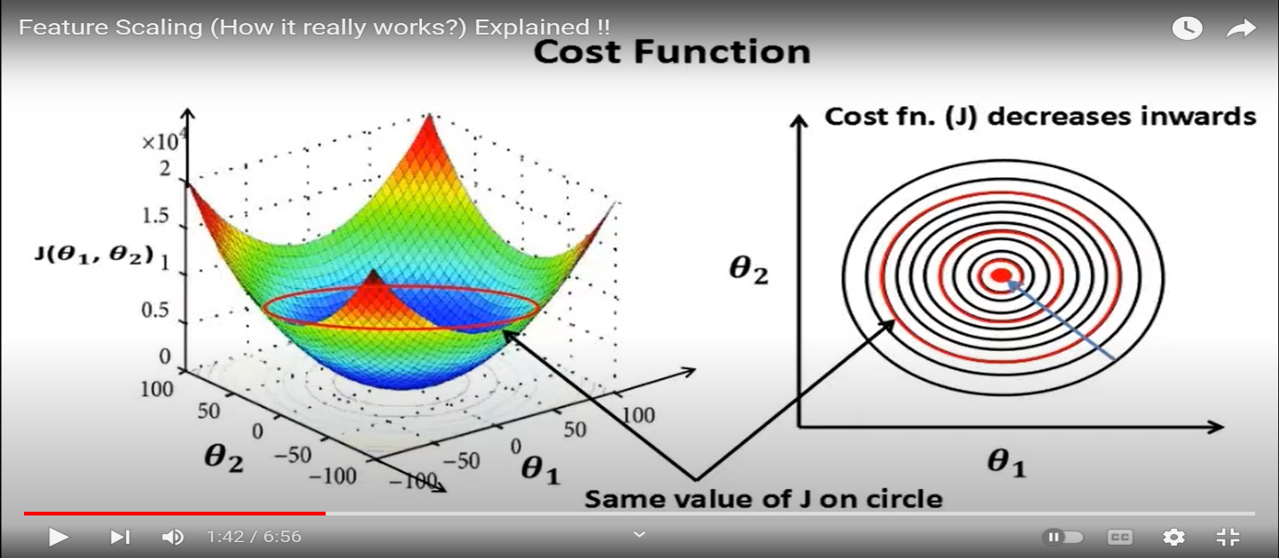

 | ⇰REFERENCE (Website)-->Udemy Regarding Definition & Meaning & Definition as well as benefits of Feature Scaling

 | ⇰REFERENCE (You Tube)-->Feature Scale Importance For Gradient Descent By Priyanshu Vats

 | ⇰REFERENCE (You Tube)-->Code Basics(Hindi) Regarding Overall Thereotical Definition & Practical Implementation (Coding) of Cost Function or Line of Best Fit

④Caveats (Warrning) of Using Feature Scaling in Various Models ?

⇰Must Always Scale new Unseen data Before Feeding to Model. ⇰Effect Direct Interpretability of Feature Coefficients. ❶Easier to Compare coefficients to one another , harder to relate back to original unscaled feature

 | ⇰REFERENCE (Website)-->Geeks For Geeks Regarding ML | Feature Scaling – Part 2

Type of Feature Scaling
B. TYPES OF FEATURE SCALING | REFERENCE

①STANDARDIZATION (Standard Scaler) Or Z score Normalization | ⇰REFERENCE (Website)--> Scikit Learn Regarding Practical Implementation & Definition of Feature Scaling (Especially Standard Scaler) | ⇰REFERENCE (Website)-->Analytics Vidhya Regarding Meaning of Feature Scaling & Types of Feature scaling 1. Standardization 2.Normalization
⇰Standardization Rescales data to have a mean that is mu of 0 and a standard deviation of 1, which means you're essentially standardizing all your data to follow a standard normal distribution so you could have negative values there. Name Sake Can be confusing since this also referred as Z score normalization ⇰Name Sake Can be confusing since this also referred as Z score normalization ⇰Standardization scales each input variable separately by subtracting the mean (called centering) and dividing by the standard deviation to shift the distribution to have a mean of zero and a standard deviation of one. ⇰In Simple Words Standardization Mean Rescaling Data to have mean (μ) of 0 & Standard Deviation (σ) of 1 Unit Variance) .

 | ⇰REFERENCE (Website)-->Udemy Regarding Definition & Meaning & Definition as well as benefits of Feature Scaling

 | ⇰REFERENCE (Website)-->Machine Learning Mastery Regarding Thereotical & Practical (Coding) Implementation Regarding Meaning & Understanding of 1st Types of Feature Scaling That is Standardization
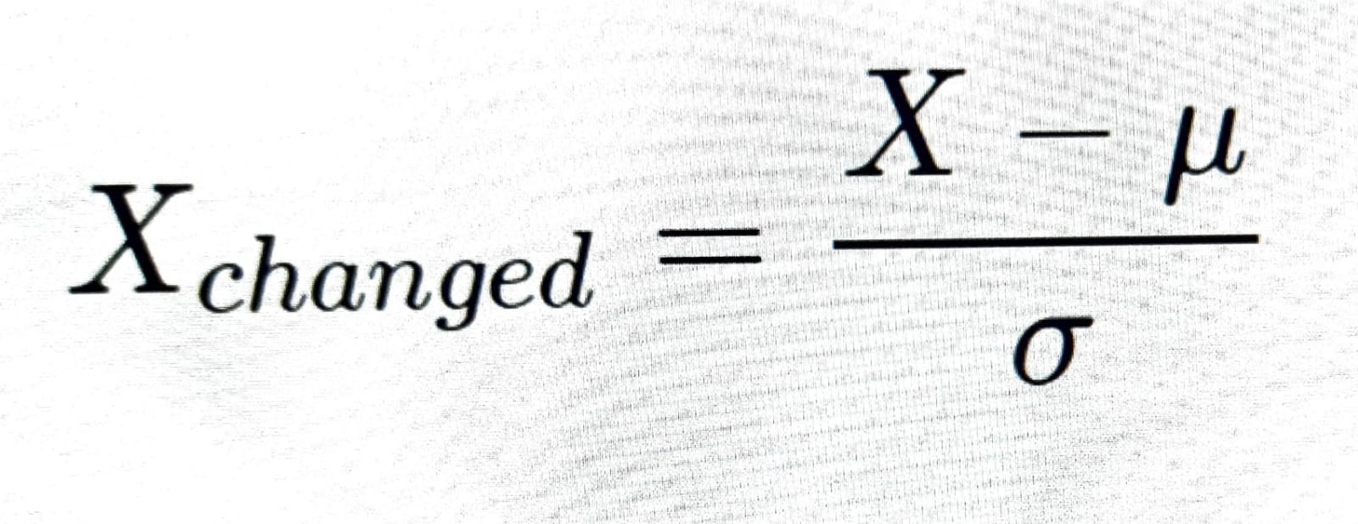

 | ⇰REFERENCE (You Tube)-->Feature Scale Importance For Gradient Descent By Priyanshu Vats

 | ⇰REFERENCE (You Tube)-->Code Basics(Hindi) Regarding Overall Thereotical Definition & Practical Implementation (Coding) of Cost Function or Line of Best Fit
❶PRACTICAL IMPLEMENTATION OF PLOTTING TYPES OF FEATURE SCALING (STANDARDIZATION) IN 1.3 POLYNOMIAL REGRESSION & FEATURE SCALING

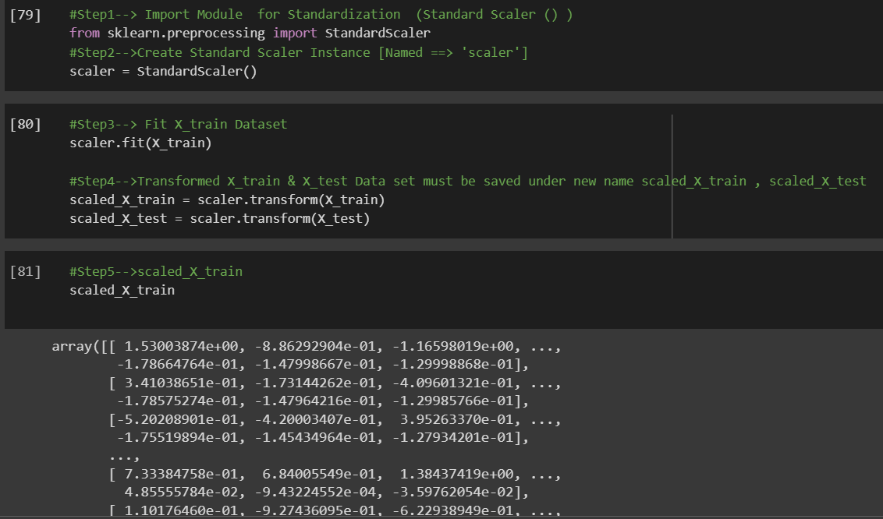

 | ⇰REFERENCE (Website) --> 1.3 Google Colab (Polynomial Regression & Feature Scaling) Regarding Practical Implementation & (Coding) 1st Types of Feature Scaling That is == (Standardization) Standard Scaling

 | ⇰REFERENCE (Website)-->Analytics Vidhya Regarding Meaning of Feature Scaling & Types of Feature scaling 1. Standardization 2.Normalization

 | ⇰REFERENCE (Website)-->Scikit Learn Regarding Practical Implementation & Definition of Feature Scaling (Especially Min-Max Scaler)

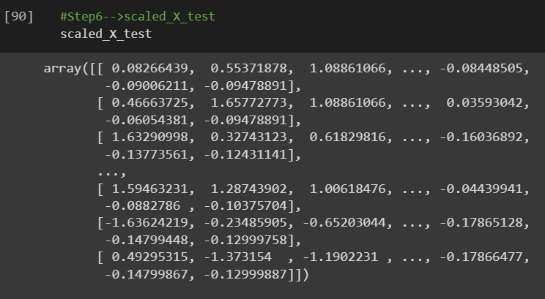

 | ⇰REFERENCE (Website)-->Analytics Vidhya Regarding Meaning of Feature Scaling & Types of Feature scaling 1. Standardization 2.Normalization

②NORMALIZATION (Min Max Scaler)
⇰Normalization scales each input variable separately to the range 0-1, which is the range for floating-point values where we have the most precision. ⇰Normalization in regards to feature scaling is going to scale all data values to be between zero (0) and one (1) & the way it does this is by using the minimum x value and the maximum x value, in which case for each feature, what you're going to do is take the feature, subtract the minimum value, and then divide it by the difference between the max value and the minimum value.And that essentially scales all the data points to be between zero and one. | ⇰REFERENCE (Website)-->Machine Learning Mastery Regarding Thereotical & Practical (Coding) Implementation Regarding Meaning & Understanding of 1st Types of Feature Scaling That is Standardization

 | ⇰REFERENCE (You Tube)-->Feature Scale Importance For Gradient Descent By Priyanshu Vats

 | ⇰REFERENCE (Website)-->Scikit Learn Regarding Practical Implementation & Definition of Feature Scaling (Especially Min-Max Scaler)

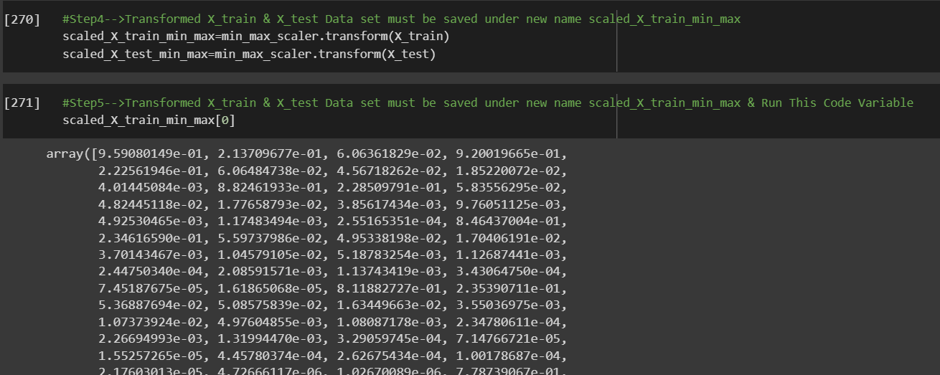 | ⇰REFERENCE (Website) --> 1.3 Google Colab (Polynomial Regression & Feature Scaling) Regarding Practical Implementation & (Coding) 2nd Types of Feature Scaling That is == (Normalization)

 | ⇰REFERENCE (Website)--> Scikit Learn Regarding Practical Implementation & Definition of Feature Scaling (Especially Standard Scaler)

 | ⇰REFERENCE (Website)-->Udemy Regarding Definition & Meaning & Definition as well as benefits of Feature Scaling

 | ⇰REFERENCE (You Tube)-->Feature Scale Importance For Gradient Descent By Priyanshu Vats

 | ⇰REFERENCE (You Tube)-->Code Basics(Hindi) Regarding Overall Thereotical Definition & Practical Implementation (Coding) of Cost Function or Line of Best Fit

